N15


Calculation of energy savings with efficient nitrogen production

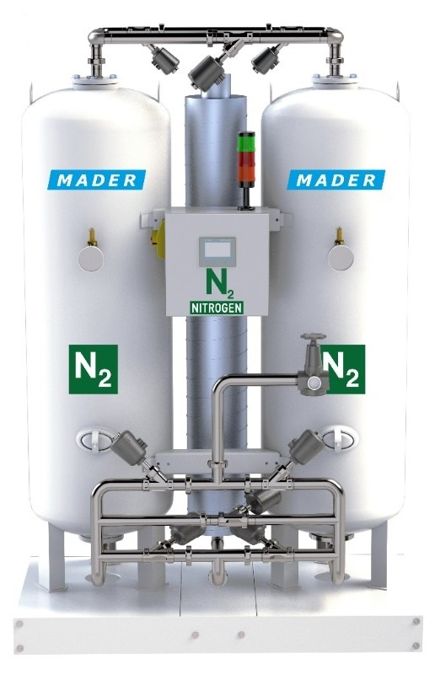
Basis of calculation
operating hours per day | 16 | [hours]
days per week | 5 | [days]
weeks per year | 50 | [weeks]
cost of electricity | 0.255 | [€/kWh]
CO2 factor | 0.732 | [CO2/Mwh]
CO2 factor hydrogen | 1.59338 | [tCO2e/t]
nitrogen consumption per year | 60000 | [m³/year]
hydrogen consumption per m³N2 | 0.002 | [m³/m³N2]

Desired nitrogen volume flow | 15.0 | [m³/h]

conventional system
required compressed air | 102.71 | [m³/h]
required compressed air | 1.71 | [m³/min]
required power at inlet | 11.98 | [kW]
required power for high pressure | 5.5 | [kW]
total power | 17.48 | [kW]

energy efficient system
required compressed air | 55.26 | [m³/h]
required compressed air | 0.92 | [m³/min]
required power at inlet | 6.45 | [kW]
required power for high pressure | 5.5 | [kW]
total power | 11.95 | [kW]
resuired hydrogen consumption [2l H2 per 1m³ N2] | 120.00 | [m³/year]
hydrogen consumption in t** | 0.010092 | [t/year]
** 1m³ hydrogen is equivalent to 0.0841 kg hydrogen

savings
power conventional system (per year) | 69,931.33 | [kWh/year]
power energy efficient system (per year) | 47,788.00 | [kWh/year]
saving per year | 22,143.33 | [kWh/year]
saving per year | 22.14 | [MWh/year]
CO2 quantity hydrogen input | 0.016080 | [to/year]
saving CO2 [electricity] | 16.21 | [to/year]
total saving CO2 | 16.19 | [to/year]

